Detailed Investigation Result
SINCE Already Change the look-up from Section_code to Dept_code need to add the Sv and below levels on TIP_Default_Values

Users for setup is current existing user in pRAS

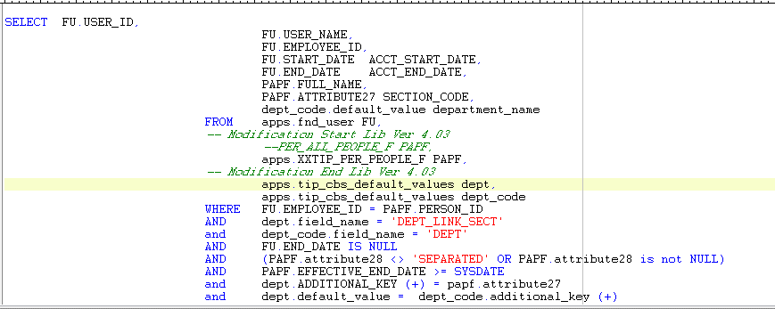

USER_ID | USER_NAME | EMPLOYEE_ID | ACCT_START_DATE | ACCT_END_DATE | FULL_NAME | SECTION_CODE | DEPARTMENT_NAME
10782 | Z5932TIP | 303 | 2017-01-16 |  | MELGO, Ms. MARITES CASILE | 4002820 | MDC
10906 | Z6677TIP | 225 | 2017-02-13 |  | LABASAN, Ms. LANI LOPEZ | 4002810 | MDC
13577 | Z7291TIP | 525 | 2019-02-08 |  | PELONES, Ms. CAREN MAGBITANG | 3002230 | MME
6053 | Z3383TIP | 535 | 2015-01-08 |  | PALAHANG, Ms. YCHELLE MERRY DUAVE | 2001420 | LOD
9811 | Z6578TIP | 325 | 2016-05-02 |  | CASTILLO, Ms. LOUISE LOU GAGARIN | 4004055 | PCD
13317 | Z1145TIP | 845 | 2018-12-10 |  | GALLENERO, Mr. ROGIL AQUINO | 4004045 | PCD
9792 | Z3445TIP | 679 | 2016-04-28 |  | REYES, Ms. ALICIA LUSTERIO | 3002130 | MPP
4764 | Z3283TIP | 683 | 1951-01-01 |  | VALMOCINA, Mr. RONALD BELARDO | 2001420 | LOD
4283 | Z0523TIP | 1031 | 1951-01-01 |  | TELAN, Ms. JUDITH ALLAUIGAN | 3002130 | MPP
5973 | Z6055TIP | 1072 | 2015-01-05 |  | AGUADO, Ms. ERIBERTA ALCANTARA | 3004020 | PCD
9649 | Z2808TIP | 1119 | 2016-04-12 |  | GUCE, Ms. EMILY DELAS ALAS | 3007340 | EME
4307 | Z0628TIP | 864 | 1951-01-01 |  | VILLENA, Ms. CATHERINE ORDONEZ | 3002120 | MPP
14959 | Z0626TIP | 867 | 2020-06-25 |  | RODRIGUEZ, Ms. IRENE PAYOFELIN | 4008110 | MQA
4387 | Z1089TIP | 877 | 1951-01-01 |  | ALMIRA, Ms. ALELEE ENTENA | 3006010 | SSD
15181 | Z0939TIP | 953 | 2020-09-09 |  | JOSEPH, Mr. JEFFERSON REYES | 3007340 | EME
13017 | Z0840TIP | 1272 | 2018-10-17 |  | DAGUMBAL, Mr. DARWIN CABUSCA | 4004045 | PCD
4398 | Z1132TIP | 1290 | 1951-01-01 |  | CAPARAS, Ms. MENCHIELA ESCARIO | 4004050 | PCD
14203 | Z7160TIP | 1291 | 2019-05-16 |  | MARIANO, Ms. LORNA RAYMUNDO | 4004050 | PCD
4305 | Z0618TIP | 1312 | 1951-01-01 |  | GALLARDO, Ms. MARILYN PATAWE | 2001520 | MPD
5853 | Z2460TIP | 1372 | 2014-12-04 |  | BARAO, Ms. TESSIE APAYO | 3007320 | EME
10602 | Z6547TIP | 1127 | 2016-11-02 |  | GAMBOA, Ms. MELISSA POBLETE | 4007560 | EMW
4599 | Z2263TIP | 1187 | 2017-09-06 |  | MORTAL, Ms. RUTHCHELDA ROSALES | 2001440 | LOD
4571 | Z2209TIP | 1203 | 1951-01-01 |  | TOLENTINO, Ms. MARICEL PIAMONTE | 4008110 | MQA
4340 | Z0828TIP | 1207 | 1951-01-01 |  | MENDOZA, Ms. LOIDA SILOT | 2001520 | MPD
4388 | Z1091TIP | 1226 | 1951-01-01 |  | GALLEGO, Ms. ANA CAPISTRANO | 3004035 | SQA
4355 | Z0911TIP | 1227 | 1951-01-01 |  | CANTA, Ms. ANNALYN AGUSTIN | 4002510 | MMC
12009 | Z0784TIP | 1257 | 2019-08-13 |  | FERNANDEZ, Ms. ABIGAEL VILLALON | 4002610 | MMW
5208 | Z1761TIP | 1261 | 2014-10-17 |  | LINGA, Ms. ROCHELLE DEL MUNDO | 3004035 | SQA
4550 | Z2036TIP | 1262 | 1951-01-01 |  | LORENZANA, Ms. JANETH FUENTES | 3006010 | SSD
11249 | Z6780TIP | 1577 | 2017-05-30 |  | SANDOVAL, Ms. RECHELLE SALAZAR | 3002850 | MDC
15262 | Z3906TIP | 1400 | 2020-10-30 |  | PAGTANANAN, Mr. REEDER CACERES | 3004020 | PCD
4600 | Z2264TIP | 1460 | 1951-01-01 |  | TIBAYAN, Ms. LAILA DITA | 2001415 | LOD
4167 | Z2421TIP | 1471 | 1951-01-01 |  | NAVE, Ms. ESTRELLITA PAR | 3007310 | EME
4470 | Z1648TIP | 1525 | 2017-12-01 |  | GONDA, Ms. RHECCA DE TORRES | 4003040 | SSD
10137 | Z6617TIP | 1838 | 2018-11-21 |  | BERIN, Ms. MARY ANN MORALEJO | 4003040 | SSD
10197 | Z6621TIP | 1851 | 2016-07-20 |  | ESTEBAN, Ms. MICHELLE ESTRELLANES | 3002210 | MME
13837 | Z7044TIP | 1698 | 2019-03-22 |  | PEREZ, Ms. MARIA CARMELLIE PANALIGAN | 3002210 | MME
12915 | Z5721TIP | 2020 | 2018-10-04 |  | GLENDRO, Ms. RONILA AILSA TUPAS | 3002450 | EME
14527 | Z7402TIP | 2062 | 2019-10-09 |  | PABLO, Ms. JENNY ANTONIO | 3002450 | EME
4655 | Z2466TIP | 2064 | 1951-01-01 |  | ABILA, Ms. JOY BELLE JUNSAY | 5009160 | HDC
8389 | Z2302TIP | 2066 | 2015-09-03 |  | GARCIA, Ms. JONELEAN CORTEZ | 1001110 | GAC
9629 | Z1024TIP | 2068 | 2019-01-15 |  | FERNANDO, Ms. DIVINA GRACIA ACOBERA | 3002230 | MME
5374 | Z3729TIP | 2421 | 2014-10-28 |  | YMSON, Ms. ARLENE CONSTANTINO | 2001410 | LOD
15141 | Z2803TIP | 2426 | 2020-09-07 |  | QUIATCHON, Ms. SHERYL PUNDANO | 3007340 | EME
4596 | Z2254TIP | 2447 | 1951-01-01 |  | SUMAGUE, Mr. EDWIN PANGANIBAN | 2001440 | LOD
5103 | Z5731TIP | 2472 | 1951-01-01 |  | DE MESA, Ms. MARISSA LLENARES | 4007560 | EMW
4449 | Z1531TIP | 2251 | 2018-06-06 |  | SAN PEDRO, Ms. ELISA TABAO | 4002510 | MMC
11949 | Z1764TIP | 2293 | 2018-01-17 |  | SABINO, Ms. ROCHELLE FLORES | 3002140 | MPP
4801 | Z3542TIP | 2305 | 1951-01-01 |  | ARANDA, Ms. JOYRIS HONTIVEROS | 3003010 | SSD
8269 | Z6367TIP | 2384 | 2015-08-14 |  | HOSMILLO, Ms. AGNES PEREZ | 3006030 | SQA
4855 | ZAWJZTIP | 2385 | 1951-01-01 |  | DE VILLA, Mr. BALBINO MARCELLANA | 3004020 | PCD
4799 | Z3525TIP | 2387 | 1951-01-01 |  | ADOBAS, Mr. JERRY HALLERA | 2001440 | LOD
4890 | Z2325TIP | 2392 | 1951-01-01 |  | ABAD, Ms. VILMA OGOT | 2001410 | LOD
4275 | Z0484TIP | 2393 | 1951-01-01 |  | ACUNA, Ms. ROSALIA DATUIN | 2001410 | LOD
4371 | Z0995TIP | 2399 | 1951-01-01 |  | CUSI, Ms. MARILYN DIPALAC | 2001410 | LOD
4352 | Z0892TIP | 2400 | 1951-01-01 |  | DANDAN, Ms. HONEY LYN MARANON | 2001410 | LOD
4585 | Z2235TIP | 2405 | 1951-01-01 |  | GALVADORES, Ms. EVANGELINE MADRILEJOS | 2001410 | LOD
5373 | Z1583TIP | 2406 | 2014-10-28 |  | GUARDAILAO, Ms. DONNA JANE OPULENCIA | 2001410 | LOD
4586 | Z2238TIP | 2411 | 1951-01-01 |  | MAGNAYE, Ms. ELENA DALISAY | 2001410 | LOD
4874 | Z0886TIP | 2413 | 1951-01-01 |  | ORTILLA, Ms. JOAN BAUTISTA | 2001410 | LOD
4211 | Z0030TIP | 2414 | 1951-01-01 |  | PANGANIBAN, Ms. ADORNITA SIBAL | 2001410 | LOD
4287 | Z0542TIP | 2417 | 2019-07-25 |  | RIEGO, Ms. ROSEMARIE DE LUNA | 2001410 | LOD
4487 | Z1723TIP | 2418 | 1951-01-01 |  | ROSALES, Ms. BERNADETTE BELEN | 2001410 | LOD
4326 | Z0763TIP | 2709 | 1951-01-01 |  | AZORES, Ms. DAHLIA MADARANG | 3002120 | MPP
14896 | Z0947TIP | 2715 | 2020-06-17 |  | MANALO, Ms. RHONA MENDIGUARIN | 4002510 | MMC
13458 | Z2062TIP | 2741 | 2019-01-21 |  | IMPAS, Mr. ANTONIO SANORIA | 4004040 | PCD
10623 | Z0737TIP | 2745 | 2016-11-21 |  | SAN JUAN, Mr. EDUARDO II DE CASTRO | 3002420 | MQA
4342 | Z0839TIP | 2757 | 2019-03-12 |  | TABILIRAN, Mr. GERARD VINCENT BERWITE | 3004020 | PCD
5210 | Z0722TIP | 2758 | 2014-10-17 |  | SINIO, Mr. RASTY CRUZ | 3002440 | MME
15202 | Z3573TIP | 2767 | 2020-10-09 |  | TIU, Mr. VON DEXTER MARTINEZ | 4002510 | MMC
4479 | Z1694TIP | 2770 | 1951-01-01 |  | DURAN, Ms. SHARIEN LIANKO | 2001520 | MPD
4285 | Z0532TIP | 2504 | 1951-01-01 |  | TONGOL, Mr. MARVIN CABALLA | 4002510 | MMC
4393 | Z1107TIP | 2519 | 1951-01-01 |  | RAMOS, Mr. EMMANUEL ARNAS | 4002510 | MMC
4607 | Z2285TIP | 2529 | 2019-11-20 |  | TOLEDANO, Ms. NERISSA FRANCISCO | 2001510 | MPD
4609 | Z2288TIP | 2599 | 1951-01-01 |  | BARROGA, Ms. APRIL LOVE DE LEON | 2001540 | MPD
5653 | Z2151TIP | 2603 | 2014-11-12 |  | OCAMPO, Mr. MICHAEL TRINIDAD | 2001670 | ISD
10672 | Z2529TIP | 2607 | 2016-12-21 |  | RILLERA, Mr. RYAN CASTILAN | 3007210 | EPE
12029 | Z1886TIP | 2624 | 2018-02-01 |  | PEREZ, Ms. JESSICA MOJICA | 4004050 | PCD
14897 | Z1627TIP | 2657 | 2020-06-17 |  | HERNANDEZ, Mr. JUMAR PAZ | 4002510 | MMC
5212 | Z0411TIP | 2672 | 2014-10-17 |  | VILLANIS, Mr. JAMES GILRANE AGUILAR | 4002810 | MDC
4261 | Z0413TIP | 2680 | 1951-01-01 |  | DUENAS, Ms. MARIA JOANNA HUBILLA | 3006030 | SQA
4262 | Z0414TIP | 2687 | 1951-01-01 |  | DELA RUEDA, Mr. GREGORIO JR. SANCHEZ | 3002210 | MME
5043 | Z0782TIP | 2701 | 2014-10-15 |  | CHAMBERS, Mr. JOEL VELBIS | 3003020 | SSD
5157 | Z0185TIP | 2702 | 2014-10-17 |  | AVELINO, Mr. ARIEL RODELAS | 3002310 | MPE
4869 | Z3538TIP | 3042 | 1951-01-01 |  | BRIONES, Ms. JONAVY MALLAN | 2001440 | LOD
14732 | Z3699TIP | 2778 | 2020-02-19 |  | PEDRAGORDA, Mr. RS DE GUZMAN | 3006050 | SSD
4490 | Z1732TIP | 2791 | 1951-01-01 |  | AROMIN, Ms. KRISTEL RIA ANDAYA | 1001840 | GAC
4491 | Z1735TIP | 2794 | 1951-01-01 |  | AQUINO, Ms. MARICRIS PEREZ | 3003010 | SSD
4492 | Z1738TIP | 2796 | 1951-01-01 |  | SANCHEZ, Ms. APRIL VITALICIO | 1001120 | HRD
4497 | Z1775TIP | 2814 | 1951-01-01 |  | PESINO, Ms. MA. RHEA OLIQUIANO | 3002140 | MPP
13697 | Z2947TIP | 2829 | 2019-03-13 |  | ABAS, Mr. ROMIL FIGURO | 3003020 | SSD
5211 | Z2794TIP | 2851 | 2019-07-10 |  | VENIEGAS, Ms. AVEGAIL KALAW | 4007560 | EMW
4622 | Z2324TIP | 2856 | 1951-01-01 |  | SARMIENTO, Ms. JESUSA ELIZON | 1001310 | SPD
11369 | Z3663TIP | 2873 | 2017-07-06 |  | PRESENTACION, Ms. MA. CRISTINA ZUNIGA | 3007210 | EPE
4640 | Z2391TIP | 2876 | 1951-01-01 |  | LUCANA, Ms. LORIE DIOLA | 3007310 | EME
4654 | Z2465TIP | 2894 | 1951-01-01 |  | DE LEON, Ms. NIKKA PAULA SECRETO | 3007340 | EME
14834 | Z0698TIP | 2932 | 2020-05-26 |  | MERZA, Mr. ANTHONY ABBEY THE | 2001320 | MPE
4310 | Z0657TIP | 2933 | 1951-01-01 |  | ANDAL, Ms. ANTEIMEE SAWALI | 5009140 | HDC
4318 | Z0703TIP | 2955 | 1951-01-01 |  | VILLENA, Mr. ROMMEL MULINGBAYAN | 3006050 | SSD
4627 | Z2334TIP | 3210 | 1951-01-01 |  | SERE, Ms. ERICA SALUDES | 1001310 | SPD
10674 | Z1279TIP | 3213 | 2016-12-21 |  | TUAZON, Mr. ALIVER MALINAO | 3002350 | MPE
4417 | Z1270TIP | 3216 | 1951-01-01 |  | LEYBAN, Ms. ESPER DE CASTRO | 1001220 | FIA
15021 | Z2924TIP | 3217 | 2020-07-10 |  | MAGPANTAY, Mr. GERALD REYES | 4002510 | MMC
4465 | Z1634TIP | 3227 | 1951-01-01 |  | BANGUILAN, Ms. FRINCES BALISONG | 4003040 | SSD
5573 | Z3164TIP | 3260 | 2014-11-10 |  | ALTIZON, Mr. JAYSON PADILLON | 4002510 | MMC
4659 | Z2478TIP | 3319 | 1951-01-01 |  | FIJO, Ms. ZARAH ROSALYN ROCES | 3007340 | EME
9855 | Z2358TIP | 3325 | 2016-05-19 |  | PINEDA, Mr. EYMARD CRUZ | 2001360 | EPE
7745 | Z6052TIP | 3102 | 2015-05-14 |  | GORDO, Mr. ANICETO JR. BANONO | 2001440 | LOD
4672 | Z2520TIP | 3160 | 1951-01-01 |  | QUIZADA, Ms. LILIAN BAGACINA | 3002450 | EME
15203 | Z1759TIP | 3182 | 2020-10-09 |  | GRASPARIL, Ms. JIMROSE JOY LAVARO | 4002510 | MMC
4415 | Z1253TIP | 3199 | 1951-01-01 |  | BOSTRE, Ms. CIELO MARIE NARVAEZ | 3002330 | MPE
4770 | Z3317TIP | 3537 | 1951-01-01 |  | UBALDO, Ms. JOANNA MARIE MALDO | 3007130 | EPP
5473 | Z3338TIP | 3543 | 2014-11-03 |  | MENDOZA, Ms. ROSE ANNE GAELA | 3002340 | MPE
5453 | Z3465TIP | 3546 | 2014-10-31 |  | MERABUENA, Mr. RAMIL INCIONG | 3002320 | MPE
11529 | Z3347TIP | 3548 | 2017-08-18 |  | MANANQUIL, Mr. JOHN ROBERT CELESTE | 4004050 | PCD
13319 | Z6985TIP | 3550 | 2018-12-10 |  | PEREZ, Mr. JONATHAN JOHN QUILAO | 4004050 | PCD
13657 | Z3329TIP | 3551 | 2019-03-12 |  | LAGRIA, Mr. RODERICK PELIGRO | 3003020 | SSD
15161 | Z5618TIP | 3562 | 2020-09-09 |  | SILVEO, Ms. CLARISSA MAE BITCHES | 3007340 | EME
4895 | Z5687TIP | 3582 | 1951-01-01 |  | GARCIA, Ms. KAIREEN NATAYA | 3007130 | EPP
4230 | Z0245TIP | 3331 | 2017-02-23 |  | REGALADO, Mr. PAULINO TORRES | 1001310 | SPD
4908 | Z2218TIP | 3334 | 1951-01-01 |  | BEATO, Ms. MARISSA LIRA | 3007140 | EPP
4594 | Z2251TIP | 3337 | 1951-01-01 |  | TUMPALAN, Mr. AGUSTIN BUYAT | 2001440 | LOD
8629 | Z2834TIP | 3341 | 2015-10-07 |  | CAY, Ms. CAROLINA ARCEGA | 4007550 | EMW
4582 | Z2231TIP | 3350 | 1951-01-01 |  | LOGO, Ms. YOLANDA LUMBRES | 3007140 | EPP
4616 | Z2305TIP | 3351 | 1951-01-01 |  | NATIVIDAD, Ms. GESILIEN ANILLO | 1001111 | GAC
4689 | Z2673TIP | 3354 | 1951-01-01 |  | BALDOVINO, Ms. MYRNA FURIO | 3007410 | EQA
4188 | Z2509TIP | 3359 | 1951-01-01 |  | ZULUETA, Ms. EVANGELINE SILAO | 3002450 | EME
13980 | Z2672TIP | 3362 | 2019-04-15 |  | ANGELES, Ms. ANNABELLE BUJACTIN | 3007340 | EME
4897 | Z2733TIP | 3363 | 1951-01-01 |  | TAYA, Ms. ANALYN GUNTAN | 3007410 | EQA
4774 | Z3358TIP | 3364 | 1951-01-01 |  | ABAMONGA, Ms. KRISTINE JOY BULADO | 3002230 | MME
6033 | Z3142TIP | 3369 | 2015-01-07 |  | IBAY, Mr. ARIEL ALMAZAR | 4002610 | MMW
4433 | Z1402TIP | 3373 | 2018-10-22 |  | VILLAMIL, Ms. RAQUEL FELICIANO | 3004010 | PCD
4426 | Z1339TIP | 3376 | 1951-01-01 |  | LACDAO, Ms. CAROLYN HAMUAT | 4002820 | MDC
15101 | Z1439TIP | 3379 | 2020-08-17 |  | JIMENEZ, Mr. JOHN EMMANUEL ALCANTARA | 5009140 | HDC
13320 | Z1437TIP | 3380 | 2018-12-10 |  | ERMINA, Ms. MARISOL TOLENTINO | 4004055 | PCD
5733 | Z1478TIP | 3399 | 2014-11-20 |  | PABLO, Mr. ROMMELITO ALVAREZ | 3002340 | MPE
4525 | Z1893TIP | 3416 | 1951-01-01 |  | LUCERO, Ms. ARLYN PRECILLA | 4002810 | MDC
12976 | Z7190TIP | 3422 | 2018-10-09 |  | CALISAAN, Mr. GLENN MAR APACIONADO | 2001440 | LOD
4879 | Z1546TIP | 3448 | 1951-01-01 |  | VELASQUEZ, Mr. JAYVEE MARIJO UY | 3002430 | MQA
5354 | Z1691TIP | 3468 | 2014-10-28 |  | PARRENO, Mr. ERROL PARPARAN | 3002320 | MPE
4458 | Z1579TIP | 3471 | 2017-07-21 |  | CAMBA, Mr. JONATHAN LIWANAG | 2001610 | ISD
4522 | Z1869TIP | 3475 | 1951-01-01 |  | PEREA, Mr. PAUL IVAN TEC | 3002410 | MQA
4469 | Z1642TIP | 3490 | 1951-01-01 |  | PIAMONTE, Ms. GLENDALE QUIATCHON | 3002330 | MPE
4531 | Z1930TIP | 3491 | 1951-01-01 |  | REFRAN, Ms. JENNY ROSE AVENIDO | 3003020 | SSD
4471 | Z1652TIP | 3492 | 1951-01-01 |  | PEREZ, Ms. AILEEN GRACE ZARRAGA | 3002130 | MPP
4477 | Z1677TIP | 3510 | 1951-01-01 |  | DELA ROSA, Ms. ROSE ANNE MOLINO | 3002120 | MPP
10177 | Z3313TIP | 3532 | 2016-07-14 |  | NARTE, Ms. GRACIELLE ANNE ROSALES | 3007410 | EQA
14793 | Z2464TIP | 3818 | 2020-04-29 |  | ALTES, Ms. GERLYN CALICA | 5009180 | HDC
13738 | Z2082TIP | 3844 | 2019-03-14 |  | LETRATO, Mr. JAY-R GRINJO | 2001610 | ISD
7929 | Z2654TIP | 3849 | 2015-06-05 |  | SUCGANG, Ms. ARIANE AVON BARAYANG | 3007430 | EQA
4553 | Z2108TIP | 3854 | 1951-01-01 |  | ERGINA, Ms. KAYLENE CASTILLO | 3002140 | MPP
4448 | Z1521TIP | 3861 | 1951-01-01 |  | GALANG, Ms. MICHELLE CARLOS | 4002510 | MMC
4377 | Z1037TIP | 3862 | 1951-01-01 |  | FIRME, Ms. MARIA SHAGGY SACDALAN | 1001840 | GAC
4378 | Z1039TIP | 3865 | 1951-01-01 |  | TORQUIDO, Ms. LAARNE GUANCIA | 5009196 | HDC
4683 | Z2621TIP | 3870 | 1951-01-01 |  | FONTANILLA, Ms. MERRY CHRISTINE ABALOS | 3007210 | EPE
5253 | Z1061TIP | 3883 | 2014-10-23 |  | RAMOS, Ms. DONNA MAY HERNANDEZ | 3002320 | MPE
8772 | Z3105TIP | 3884 | 2015-10-28 |  | LANDICHO, Ms. WINALYN JARLEGO | 3007210 | EPE
14835 | Z3918TIP | 3621 | 2020-05-26 |  | HEGINA, Mr. RUEL SORIA | 2001320 | MPE
6253 | Z2490TIP | 3627 | 2015-02-10 |  | TANCANGCO, Ms. JANE BAGABALDO | 5009140 | HDC
4605 | Z2281TIP | 3629 | 1951-01-01 |  | MACASAET, Ms. ERCHIE RAS | 2001520 | MPD
4508 | Z1806TIP | 3630 | 1951-01-01 |  | BLANZA, Ms. ROSE ANN MAGSINO | 3002120 | MPP
4509 | Z1811TIP | 3631 | 2019-09-03 |  | APANTE, Ms. ELEONOR CASTROMERO | 3002130 | MPP
4507 | Z1805TIP | 3633 | 2019-11-29 |  | PAREDES, Ms. JOANA DE CASTRO | 3002130 | MPP
4717 | Z2967TIP | 3646 | 1951-01-01 |  | EVANGELISTA, Ms. IRISH RETUBIS | 4002510 | MMC
7525 | Z1830TIP | 3648 | 2015-04-07 |  | SIMPAS, Ms. MA. DANIZZA SOLEDAD | 3002220 | MME
9109 | Z3360TIP | 3653 | 2019-12-06 |  | DE GUZMAN, Ms. ANGELITA CALIXIHAN | 3002210 | MME
4517 | Z1856TIP | 3670 | 2019-11-19 |  | VALENCIANO, Ms. PUREZA PLATON | 1001135 | HRD
13059 | Z1872TIP | 3678 | 2018-10-25 |  | POLIS, Mr. SHEDFFREY SANCHEZ | 2001670 | ISD
4526 | Z1901TIP | 3706 | 1951-01-01 |  | MUECO, Ms. ROSE ANNE CABRERA | 3006050 | SSD
4537 | Z1943TIP | 3732 | 1951-01-01 |  | NAVARRO, Ms. MADELYN NAGAR | 3002330 | MPE
4540 | Z1957TIP | 3733 | 2019-08-02 |  | UY, Ms. VANESSA VISBE | 1001140 | HRD
13677 | Z3952TIP | 3744 | 2019-05-21 |  | SALVADOR, Mr. CHARLES ABAL | 3006050 | SSD
4549 | Z2035TIP | 3790 | 2017-12-01 |  | MAITIM, Ms. NEMIE REYES | 3002330 | MPE
4551 | Z2045TIP | 3796 | 1951-01-01 |  | PUBLICO, Ms. CATHERINE MEDRANA | 3002130 | MPP
4821 | Z3743TIP | 4106 | 2018-01-16 |  | CANLAS, Mr. PAOLO SALVACION | 2001440 | LOD
4715 | Z2949TIP | 4151 | 1951-01-01 |  | BALASTIGUE, Ms. MARY CHELLE DE GUZMAN | 1001310 | SPD
11208 | Z6107TIP | 4080 | 2017-05-19 |  | APARENTE, Mr. JOHN LYLE SALUDADEZ | 4003040 | SSD
10665 | Z6128TIP | 4082 | 2016-11-30 |  | DELA CRUZ, Ms. MA. KRISTINA ARTITA | 4003040 | SSD
10625 | Z6667TIP | 4084 | 2016-11-22 |  | BITUIN, Ms. MARIE GRACE DUMARAOS | 4006040 | SSD
15162 | Z3727TIP | 4327 | 2020-09-09 |  | LEGASPI, Ms. DONADIOSAN VALLEJOS | 5009160 | HDC
4834 | Z3871TIP | 4333 | 1951-01-01 |  | DANGANI, Ms. MYLENE GRACE ILAGAN | 3006010 | SSD
4825 | Z3767TIP | 4339 | 1951-01-01 |  | MARANAN, Ms. MARY ROSE GULAY | 4006040 | SSD
5513 | Z3029TIP | 4353 | 2014-11-05 |  | UNTALASCO, Ms. MA. JECCILLE SANCHEZ | 3002210 | MME
4769 | Z3301TIP | 4359 | 1951-01-01 |  | EQUISABAL, Ms. LEAH UBINA | 3002330 | MPE
4779 | Z3382TIP | 4377 | 2016-12-16 |  | CALDERON, Ms. VIRGINIA MARIE PASCIOLCO | 3007140 | EPP
15201 | Z3723TIP | 4405 | 2020-09-16 |  | TIMBANG, Mr. FREDERICK PAGLINAWAN | 3007340 | EME
12955 | Z3809TIP | 4411 | 2018-10-05 |  | DASCO, Ms. MACRINA YASIS | 3007140 | EPP
4552 | Z2085TIP | 4420 | 1951-01-01 |  | CALILI, Ms. MARIA KRISTINA MALONZO | 3006010 | SSD
4800 | Z3535TIP | 4304 | 1951-01-01 |  | KUBOMOTO, Ms. ARVY DELA VEGA | 3003010 | SSD
4773 | Z3345TIP | 4663 | 1951-01-01 |  | LOPEZ, Ms. DIANA VILLARANDA | 2001610 | ISD
4498 | Z1779TIP | 4671 | 1951-01-01 |  | DAEN, Ms. ALONA CARPIO | 3004020 | PCD
15242 | Z2974TIP | 4672 | 2020-10-28 |  | CASTILLO, Ms. JOCELYN SULABO | 3004020 | PCD
4370 | Z0976TIP | 4678 | 1951-01-01 |  | HATCHERO, Ms. EVANGELINE MALABANAN | 3002310 | MPE
4365 | Z0966TIP | 4682 | 1951-01-01 |  | REVUELTA, Ms. MA.DULCE CANZADO | 1001135 | HRD
4677 | Z2584TIP | 4694 | 2019-01-10 |  | RONDON, Ms. MARY JANE FUNTILARA | 3007220 | EPE
14669 | Z6626TIP | 4701 | 2020-01-23 |  | GONZALES, Ms. MELODY BABAAN | 2001440 | LOD
4269 | Z0467TIP | 4712 | 2019-11-29 |  | MARINAS, Ms. MARIA MARISSA BERNAL | 2001510 | MPD
4489 | Z1726TIP | 4511 | 1951-01-01 |  | BAUTISTA, Ms. PRINCESS FAYE MERCADO | 2001620 | ISD
8709 | Z3475TIP | 4516 | 2015-10-20 |  | HERRERA, Ms. CINDY SORIANO | 3003010 | SSD
15121 | Z3700TIP | 4528 | 2020-09-07 |  | BAUTISTA, Ms. RACHELLE PUJANTE | 4003040 | SSD
4344 | Z0864TIP | 4972 | 1951-01-01 |  | MEDALLA, Ms. HAIDEE VERGARA | 4004055 | PCD
4279 | Z0506TIP | 4974 | 1951-01-01 |  | ACALLAR, Mr. LEVE BIACO | 4003040 | SSD
4245 | Z0300TIP | 4999 | 1951-01-01 |  | LASERNA, Mr. ELMER BONIFACIO | 3002410 | MQA
4278 | Z0493TIP | 5007 | 1951-01-01 |  | ROMERO, Ms. DELIA DARIA | 3006010 | SSD
4321 | Z0745TIP | 5010 | 1951-01-01 |  | MEDRANO, Ms. MERLITA CURITA | 3002420 | MQA
12129 | Z0799TIP | 4734 | 2018-03-08 |  | PAYAG, Ms. FLORDELIZA BUCAD | 1001850 | GAC
14670 | Z6042TIP | 4766 | 2020-01-31 |  | ARMIGOS, Ms. MAY DEYTA | 4004040 | PCD
11269 | Z3648TIP | 4844 | 2017-06-09 |  | COSA, Ms. AIKO MARASIGAN | 2001540 | MPD
4804 | Z3557TIP | 4846 | 1951-01-01 |  | YUNSAY, Ms. SHELLA MAY SANTIAGO | 3002210 | MME
9269 | Z2261TIP | 4882 | 2018-08-28 |  | NICOLAS, Mr. RODOLFO JR. TUBIG | 2001440 | LOD
4686 | Z2644TIP | 4883 | 1951-01-01 |  | TRESVALLES, Ms. MARIBEL MALALUAN | 3007220 | EPE
4852 | ZA2AITIP | 4894 | 1951-01-01 |  | TALIBSAO, Ms. GLACIE SAPIN | 3004020 | PCD
7787 | Z3499TIP | 4932 | 2020-01-07 |  | VILLANUEVA JR., Mr. MICHAEL SARIOLA | 2001440 | LOD
4826 | Z3787TIP | 5247 | 2017-05-31 |  | ROJAS, Mr. RAYMARK PACLIBAR | 5009140 | HDC
7989 | Z3781TIP | 5249 | 2015-06-15 |  | SANTILLANA, Ms. LIEZEL VILLAMAYOR | 3004035 | SQA
12330 | Z1203TIP | 5018 | 2018-05-04 |  | SANGUAL, Ms. JUFERLYN MAGHANOY | 4006040 | SSD
14041 | Z3617TIP | 5033 | 2019-04-24 |  | ROSUELO, Ms. AEPRYL LYN MAGCAWAS | 4004040 | PCD
13737 | Z3576TIP | 5035 | 2019-03-14 |  | FABABEIR, Mr. VINCENT MANALO | 2001670 | ISD
8849 | Z3634TIP | 5060 | 2015-11-10 |  | ROYO, Mr. DAN KENNETH CESLER | 5009196 | HDC
5353 | Z0616TIP | 5184 | 2017-03-15 |  | DALISAY, Mr. ROBERTO ABANADOR | 3002320 | MPE
4695 | Z2734TIP | 5216 | 1951-01-01 |  | DE JESUS, Ms. MARIA THELMA MONTEROZO | 3007410 | EQA
9409 | Z2650TIP | 5217 | 2016-03-08 |  | TOLEDO, Ms. LILIBETH ZATARAIN | 3007310 | EME
5161 | Z0251TIP | 5220 | 2014-10-17 |  | RIVERA, Mr. REY PASION | 3002310 | MPE
10717 | Z5593TIP | 5453 | 2017-12-28 |  | GABRILLO, Ms. SHIELA VALLES | 3002350 | MPE
4704 | Z2776TIP | 5471 | 1951-01-01 |  | FAJARDO, Ms. CIRILA PEREZ | 4007530 | EMC
4877 | Z2401TIP | 5484 | 1951-01-01 |  | FLORES, Mr. EMERSON BUHAT | 3007310 | EME
4703 | Z2772TIP | 5485 | 1951-01-01 |  | ANYAYAHAN, Ms. LEAH EVANGELISTA | 3007340 | EME
10357 | Z2850TIP | 5496 | 2016-08-16 |  | FRANCISCO, Mr. JOANN ABELLA | 4007560 | EMW
4899 | Z2271TIP | 5497 | 2017-10-03 |  | PRADO, Ms. PERLA MANZANO | 2001440 | LOD
4602 | Z2272TIP | 5502 | 2018-08-28 |  | BANZUELA, Ms. MA. PAULINE HAO | 2001440 | LOD
4431 | Z1376TIP | 5515 | 1951-01-01 |  | PURIFICACION, Ms. SHIRLEY MENDENILLA | 2001415 | LOD
4535 | Z1939TIP | 5516 | 1951-01-01 |  | CONSTANTINO, Mr. NOEL CARCASITAS | 2001420 | LOD
4732 | Z3110TIP | 5517 | 2018-11-16 |  | TURLA, Mr. CESAR CRESENTE PALLER | 2001440 | LOD
4712 | Z2940TIP | 5521 | 2018-02-20 |  | FERNANDEZ, Ms. RUBY MACATANGAY | 2001440 | LOD
4805 | Z3560TIP | 5523 | 1951-01-01 |  | CHAVEZ, Ms. MARINESS RAMIREZ | 4002820 | MDC
4289 | Z0545TIP | 5527 | 1951-01-01 |  | MACARUBBO, Mr. PEDRO JR. ALEGRE | 2001420 | LOD
4409 | Z1184TIP | 5528 | 2017-12-26 |  | RANADA, Mr. SIGFREDO LAGING | 2001440 | LOD
4806 | Z3567TIP | 5530 | 1951-01-01 |  | ALCANTARA, Mr. ACHILLES ARCHIE CALDOZA | 2001420 | LOD
4384 | Z1077TIP | 5531 | 1951-01-01 |  | INGALLA, Ms. ELLEN BASCUGUIN | 2001420 | LOD
4381 | Z1072TIP | 5532 | 1951-01-01 |  | ENRIQUEZ, Ms. ALONA BANTILAN | 2001430 | LOD
4816 | Z3674TIP | 5533 | 1951-01-01 |  | MALABANAN, Ms. LILIBETH GOMEZ | 2001420 | LOD
4400 | Z1138TIP | 5534 | 2018-10-15 |  | REYES, Ms. NENETH ROSELA | 2001440 | LOD
6313 | Z1223TIP | 5536 | 2015-03-04 |  | MORGADO, Mr. JOSEPH LIBAY | 2001415 | LOD
4373 | Z1005TIP | 5537 | 1951-01-01 |  | PASCUAL, Ms. MERLY COSTALES | 2001440 | LOD
4742 | Z3149TIP | 5538 | 2017-11-21 |  | MALIGALIG, Mr. ROMMEL GONZAGA | 2001420 | LOD
4382 | Z1074TIP | 5543 | 1951-01-01 |  | DOFITAS, Mr. CARLITO MUAN | 2001440 | LOD
4665 | Z2501TIP | 5563 | 1951-01-01 |  | PALOMO, Ms. NERISSA MAGPANTAY | 3007320 | EME
10967 | Z2452TIP | 5320 | 2019-06-06 |  | BERSABE, Ms. BERNADETT ESQUILLO | 3007320 | EME
4394 | Z1116TIP | 5331 | 1951-01-01 |  | SANTOS, Mr. JERVIE ESTAURA | 2001420 | LOD
4353 | Z0893TIP | 5333 | 1951-01-01 |  | PANGHULAN, Ms. ANASTACIA ALBAIRA | 2001440 | LOD
4772 | Z3330TIP | 5334 | 1951-01-01 |  | AFABLE, Mr. MICHAEL JOHN ABAD | 2001420 | LOD
4407 | Z1166TIP | 5335 | 1951-01-01 |  | HILARIO, Mr. FLORENTINO MAGPANTAY | 2001430 | LOD
4401 | Z1146TIP | 5337 | 1951-01-01 |  | MORALDE, Mr. SAMMY MAKINANO | 2001440 | LOD
4390 | Z1093TIP | 5338 | 1951-01-01 |  | BATO, Mr. ARNALDO LAZA | 2001415 | LOD
4762 | Z3251TIP | 5339 | 2018-07-20 |  | VIZCARRA, Mr. ERWIN NAVARRO | 2001430 | LOD
4392 | Z1104TIP | 5340 | 1951-01-01 |  | ODATO, Mr. DARWIN MANIMTIM | 2001420 | LOD
4348 | Z0884TIP | 5341 | 1951-01-01 |  | FORTUNO, Ms. MARIANNE CASAS | 2001415 | LOD
4347 | Z0880TIP | 5342 | 1951-01-01 |  | ORENSE, Ms. CHARMAINE NAVAL | 2001420 | LOD
4456 | Z1575TIP | 5343 | 1951-01-01 |  | LOPEZ JR., Mr. ANGEL MARBIBI | 2001420 | LOD
4350 | Z0887TIP | 5344 | 1951-01-01 |  | LANADA, Mr. GILBERTO GECALE | 2001420 | LOD
4483 | Z1706TIP | 5346 | 1951-01-01 |  | ESQUINO, Mr. ALDRIN ALIBUDBUD | 2001420 | LOD
4346 | Z0879TIP | 5347 | 1951-01-01 |  | AMANTE, Mr. JOSELITO TERRIBLE | 2001430 | LOD
4383 | Z1075TIP | 5348 | 1951-01-01 |  | CASTILLO, Mr. ARNELO AGUILON | 2001440 | LOD
4744 | Z3151TIP | 5349 | 1951-01-01 |  | PAMATMAT, Mr. NATHANIEL VON BUENA | 2001440 | LOD
4734 | Z3113TIP | 5350 | 2018-07-06 |  | SAYAT, Mr. GILBERT CUEVAS | 2001420 | LOD
4743 | Z3150TIP | 5351 | 1951-01-01 |  | FARAON, Mr. ARNULFO DE LEON | 2001420 | LOD
4372 | Z1004TIP | 5352 | 1951-01-01 |  | PASION, Ms. ROSALINDA CHUAQUICO | 2001430 | LOD
4441 | Z1469TIP | 5353 | 1951-01-01 |  | MARCOS, Mr. BAYANI CABO | 2001415 | LOD
4747 | Z3170TIP | 5354 | 2018-06-11 |  | ALLADO, Mr. JOLLY CUNANAN | 2001430 | LOD
4740 | Z3147TIP | 5356 | 1951-01-01 |  | ATILLO, Mr. GILBERT MABALHIN | 2001420 | LOD
4731 | Z3109TIP | 5357 | 2018-06-01 |  | AQUINO, Mr. MICHAEL MARNEL OBLENA | 2001430 | LOD
4837 | Z5575TIP | 5358 | 1951-01-01 |  | DEL MONTE, Mr. CHRISTOPHER CORDERO | 2001420 | LOD
4790 | Z3457TIP | 5359 | 1951-01-01 |  | MARIANO, Mr. JERICHO LABRADOR | 2001440 | LOD
4746 | Z3169TIP | 5361 | 1951-01-01 |  | PAGSIBIGAN, Mr. JOSE ROGEN LATOSA | 2001420 | LOD
4771 | Z3318TIP | 5363 | 1951-01-01 |  | BANCE, Mr. MARLON CABER | 2001430 | LOD
4459 | Z1586TIP | 5364 | 1951-01-01 |  | PARAS, Ms. LAARNI SANCHEZ | 2001430 | LOD
5773 | Z0252TIP | 5366 | 2014-11-25 |  | ESPANO, Mr. ROGELIO THIAM | 2001330 | SSD
4904 | Z2250TIP | 5383 | 2020-01-22 |  | BIRUNG, Mr. JOEL ACHARON | 2001440 | LOD
4598 | Z6172TIP | 5392 | 1951-01-01 |  | GERONA, Mr. LARRY VELARDE | 2001440 | LOD
4258 | Z0348TIP | 5400 | 1951-01-01 |  | ALMIRA, Ms. MA. EUGENIA ESCUETA | 3002420 | MQA
10076 | Z3055TIP | 5403 | 2016-06-21 |  | CABRERA, Ms. BABY PURIE FRIA | 3002450 | EME
4823 | Z3747TIP | 5424 | 1951-01-01 |  | NAMBIO, Ms. ERIKA PLANILLA | 1001110 | GAC
5204 | Z0277TIP | 5786 | 2014-10-17 |  | AQUINO, Mr. ROMARICO ALFONSO | 4002830 | MDC
5334 | Z0794TIP | 5788 | 2014-10-27 |  | BURGOS, Mr. ROEL ALBINO FARAON | 4002510 | MMC
5063 | Z0642TIP | 5792 | 2014-10-16 |  | HATULAN, Ms. ELENA BARUNDIA | 3002330 | MPE
4710 | Z2870TIP | 5812 | 1951-01-01 |  | EREVE, Ms. DECERY MERCENE | 4007540 | EMW
4591 | Z2247TIP | 5840 | 1951-01-01 |  | CLEMENO, Mr. JAY BEE MAGALING | 2001440 | LOD
4867 | Z3847TIP | 5845 | 1951-01-01 |  | MARASIGAN, Mr. GEORGE MACASAET | 2001440 | LOD
4234 | Z0269TIP | 5584 | 1951-01-01 |  | CHAMBERS, Ms. BERNADETTE LOPEZ | 3002410 | MQA
4295 | Z0586TIP | 5594 | 2018-04-24 |  | BATOLINA, Ms. CYNTHIA PORE | 3006050 | SSD
15081 | Z0732TIP | 5608 | 2020-08-14 |  | DELA TORRE, Ms. GINA BONETE | 3002420 | MQA
15062 | Z2817TIP | 5615 | 2020-08-12 |  | ALFANTE, Ms. RIZZA MAALA | 5009140 | HDC
13777 | Z2746TIP | 5616 | 2019-03-15 |  | ROMANTIGUE, Ms. KAMLA PUMIDA | 3003020 | SSD
4684 | Z2625TIP | 5617 | 1951-01-01 |  | VILLAPANDO, Ms. LANIE MAGCAWAS | 3007220 | EPE
4574 | Z2212TIP | 5632 | 1951-01-01 |  | BINAY, Ms. ROSELLE ANNE MARTINEZ | 3007120 | EPP
9509 | Z2477TIP | 5636 | 2016-03-21 |  | PABLO, Ms. ABIGAEL PADRE | 3007140 | EPP
14446 | Z2344TIP | 5641 | 2019-09-03 |  | HABIG, Mr. DANIEL GILI | 2001320 | MPE
4903 | Z2260TIP | 5653 | 1951-01-01 |  | BORJA, Mr. RAY-ANDREW PILLO | 2001440 | LOD
5273 | Z2499TIP | 5654 | 2018-11-21 |  | BALLESTEROS, Ms. JENNIFER URRIZA | 3007320 | EME
9450 | Z2626TIP | 5656 | 2016-03-11 |  | SORIBA, Ms. DIANA PALMA | 3007220 | EPE
12895 | Z2944TIP | 5666 | 2018-09-17 |  | SARMIENTO, Mr. FRANCISCO MAGSINO | 2001320 | MPE
8951 | Z2188TIP | 5681 | 2015-11-18 |  | REODICA, Ms. GWENDOLYN DALISAY | 4007550 | EMW
8771 | Z2593TIP | 5690 | 2015-10-28 |  | AGUIRRE, Mr. VAN ERIC REMOLADOR | 3007210 | EPE
4363 | Z0963TIP | 5772 | 1951-01-01 |  | DULDULAO, Ms. SALLY DIMACULANGAN | 3004020 | PCD
4376 | Z1035TIP | 5782 | 1951-01-01 |  | TUD, Ms. GERLIE GARCIA | 3002410 | MQA
10500 | Z2722TIP | 6091 | 2016-09-16 |  | ARELLANO, Ms. ROMELYN SALOJO | 3007340 | EME
4788 | Z3449TIP | 6113 | 1951-01-01 |  | ASALDO, Ms. LEONCIA ILAO | 3004035 | SQA
14853 | Z2139TIP | 5857 | 2020-06-16 |  | ALVAREZ, Mr. GERARD MENDOZA | 2001610 | ISD
4331 | Z0774TIP | 5873 | 1951-01-01 |  | BUNAG, Ms. JUZETTE AMPARO UMALI | 3002330 | MPE
4906 | Z2262TIP | 5887 | 2020-01-22 |  | SARION, Mr. MARK DAVE VALENCIA | 2001440 | LOD
4603 | Z2273TIP | 5894 | 1951-01-01 |  | PETALVER, Ms. MERCELYN BOTE | 2001440 | LOD
12551 | Z2071TIP | 5915 | 2018-06-28 |  | EMMANUEL, Ms. ROSE LYN GATON | 3002320 | MPE
5114 | Z2184TIP | 5976 | 1951-01-01 |  | BLANQUEZA, Ms. JEANNE ORUBIA | 3002120 | MPP
4563 | Z2176TIP | 5978 | 1951-01-01 |  | ENDRENAL, Ms. LYDIA AALA | 4008110 | MQA
4241 | Z0285TIP | 5994 | 1951-01-01 |  | BELLAFLOR, Ms. EVA CASTRO | 3002410 | MQA
4500 | Z1781TIP | 6001 | 1951-01-01 |  | GOROSPE, Ms. MARIA FELISA PASION | 4004050 | PCD
4635 | Z2374TIP | 6003 | 1951-01-01 |  | GIMENA, Ms. LADY MEDIATRIX BARRIL | 3002230 | MME
5109 | Z2202TIP | 6004 | 1951-01-01 |  | PALISOC, Ms. MARIAN DAMASCO | 4008110 | MQA
4610 | Z2289TIP | 6005 | 2019-11-27 |  | DELOS ANGELES, Ms. GRACE BACSA | 2001540 | MPD
4891 | ZA22HTIP | 6008 | 2019-03-15 |  | PAGUIO, Mr. RODEL FLAKE | 2001440 | LOD
4593 | Z2249TIP | 6009 | 1951-01-01 |  | ROCAMORA, Mr. JOEL CORNEJO | 2001440 | LOD
13437 | Z2454TIP | 6014 | 2019-01-16 |  | ROJAS, Ms. VANESSA KAYE RECTO | 3007320 | EME
4590 | Z2245TIP | 6063 | 1951-01-01 |  | MANAIG, Mr. MATT ORUGA | 2001415 | LOD
4564 | Z2181TIP | 6365 | 1951-01-01 |  | UMALI, Ms. GINA MURILLO | 4008110 | MQA
4306 | Z0625TIP | 6380 | 2017-11-22 |  | SANCHEZ, Ms. LEONA BURGOS | 2001320 | MPE
12652 | Z7109TIP | 6145 | 2020-06-17 |  | BAGNOL, Ms. ANALYN MENDEJA | 3002140 | MPP
4697 | Z2742TIP | 6166 | 1951-01-01 |  | MADIAO, Ms. JENNIFER VIRAY | 3007410 | EQA
4751 | Z3196TIP | 6193 | 1951-01-01 |  | FELIPE, Ms. JOEMELY DIOKNO | 4004040 | PCD
4453 | Z1556TIP | 6194 | 1951-01-01 |  | JORGE, Ms. MARY GRACE ESTORES | 4004045 | PCD
4727 | Z3088TIP | 6251 | 1951-01-01 |  | CASIPIT, Ms. LORIE JANE LONTOK | 3003010 | SSD
4568 | Z2200TIP | 6275 | 1951-01-01 |  | VIERNEZA, Mr. ERICSON GALANG | 2001440 | LOD
4255 | Z0329TIP | 6290 | 1951-01-01 |  | MARVIDA, Mr. VIRGILIO MIRANDILLA | 2001320 | MPE
4708 | Z2806TIP | 6292 | 1951-01-01 |  | MEDRANO, Ms. GRACE ABRENICA | 4007560 | EMW
10644 | Z2457TIP | 6586 | 2016-11-24 |  | BORNALES, Ms. SARAH SALVACION | 3007320 | EME
14711 | Z3276TIP | 6620 | 2020-02-14 |  | ROYO, Mr. JOEL CORCEGA | 2001350 | EPE
4756 | Z3215TIP | 6631 | 1951-01-01 |  | PONADO, Mr. ISMAEL LIAO | 1001210 | FIA
5183 | Z2810TIP | 6666 | 2014-10-17 |  | VICTORIA, Ms. ANA EDERLINE ARAGO | 3007110 | EPP
9329 | Z3165TIP | 6430 | 2016-12-14 |  | EVANGELISTA, Mr. JONATHAN MIRANDA | 5009180 | HDC
13498 | Z3180TIP | 6441 | 2019-06-25 |  | ADONA, Mr. CHRISROMER DEL MUNDO | 2001320 | MPE
6393 | Z3197TIP | 6443 | 2015-03-27 |  | SANTOS, Ms. RAIZA BANARES | 3002220 | MME
4909 | Z2279TIP | 6502 | 1951-01-01 |  | CHAN, Ms. MARILYN VISPO | 2001520 | MPD
12997 | Z7189TIP | 6506 | 2018-10-15 |  | DE LEON, Mr. WILLIAM BRIONES | 2001440 | LOD
4404 | Z1153TIP | 6552 | 2017-05-23 |  | MENDIGUARIN, Ms. LANI AGLASI | 3002120 | MPP
13817 | Z6891TIP | 6981 | 2019-03-19 |  | RESURRECCION, Ms. JASMIN MELODY ASICO | 4002830 | MDC
5833 | Z1844TIP | 6754 | 2014-12-04 |  | CLEMENTE, Ms. MARY ANNE LLANA | 3002340 | MPE
12149 | Z6291TIP | 6755 | 2018-03-09 |  | FRUELDA, Ms. JOCELYN COLOMA | 3002120 | MPP
4645 | Z2422TIP | 6801 | 1951-01-01 |  | GUERRA, Ms. MELODY TOLENTINO | 5009160 | HDC
4634 | Z2371TIP | 6805 | 1951-01-01 |  | NOLASCO, Ms. JENNIFER LEGASPI | 2001420 | LOD
4644 | Z2402TIP | 6822 | 1951-01-01 |  | MERCADO, Ms. RHODORA TAPAY | 3007310 | EME
12410 | Z0779TIP | 6837 | 2018-05-22 |  | CRUZ, Ms. MARYJOY SALUDADEZ | 4002610 | MMW
4367 | Z0971TIP | 6867 | 1951-01-01 |  | REYES, Ms. JENNET GABELO | 3002120 | MPP
4249 | Z0315TIP | 7225 | 1951-01-01 |  | SALUTIS, Mr. JOSEPH REYES | 2001320 | MPE
4883 | ZA2FOTIP | 7234 | 1951-01-01 |  | AGUILERA, Mr. VICTOR PRECILLA | 2001440 | LOD
4250 | Z0317TIP | 7235 | 1951-01-01 |  | PALACIO, Mr. FERDINAND DELCAMPO | 3002340 | MPE
4798 | Z3517TIP | 7240 | 1951-01-01 |  | GALIT, Ms. ELSA DEL ROSARIO | 3007130 | EPP
4195 | Z2747TIP | 7252 | 1951-01-01 |  | MANAIG, Ms. BABY JANE MALITIC | 3007410 | EQA
4626 | Z2333TIP | 7258 | 1951-01-01 |  | DELFINO, Ms. EVELYN PURINO | 2001350 | EPE
4623 | Z2326TIP | 7265 | 1951-01-01 |  | MAGBUHOS, Ms. ERMINA REMOLACIO | 3003010 | SSD
4707 | Z2796TIP | 7266 | 2017-03-24 |  | VILLANUEVA, Ms. CRISEL PONCE | 3007410 | EQA
13321 | Z0967TIP | 7268 | 2018-12-10 |  | CAMBALLA, Mr. EDWIN STA. CRUZ | 4004045 | PCD
10501 | Z0314TIP | 7273 | 2018-10-24 |  | RICALDE, Mr. EDWIN TOLENTINO | 5004060 | PCD
4366 | Z0968TIP | 7027 | 1951-01-01 |  | GALICHA, Mr. LESTIE FAMINIANO | 3007420 | EQA
4905 | Z2259TIP | 7036 | 2018-08-28 |  | JAVIER, Ms. JONALYN KALAW | 2001440 | LOD
10866 | Z0308TIP | 7055 | 2017-02-08 |  | ARCONADO, Mr. GEODUARDO TIONGSON | 4004045 | PCD
6113 | Z2955TIP | 7100 | 2015-01-14 |  | RAGAZA, Ms. MELLYN SOLLEZA | 3007310 | EME
4646 | Z2424TIP | 7183 | 1951-01-01 |  | CRUZ, Ms. MELORDINA REVENTAR | 3007320 | EME
10237 | Z0985TIP | 7499 | 2016-07-28 |  | BUENAOBRA, Ms. JOLINA GARING | 4002510 | MMC
12210 | Z6747TIP | 7274 | 2018-04-02 |  | VELASCO, Ms. JENNIFER DEL ROSARIO | 3002420 | MQA
4480 | Z1696TIP | 7292 | 1951-01-01 |  | REYES, Ms. RIA GARCIA | 4002510 | MMC
4853 | ZA4BVTIP | 7304 | 1951-01-01 |  | SILVA, Ms. ELEONOR MORENO | 3004020 | PCD
5813 | Z1945TIP | 7307 | 2014-12-03 |  | BRINAS, Ms. AILEN RAQUEL MALABUYOC | 4002610 | MMW
13517 | Z6566TIP | 7320 | 2019-01-28 |  | TAGLE, Ms. MARIA COLEEN MACALINDONG | 3002450 | EME
4380 | Z1063TIP | 7359 | 1951-01-01 |  | TOLENADA, Mr. FEFFRY GALSIM | 3002130 | MPP
4439 | Z1460TIP | 7360 | 1951-01-01 |  | HORNILLA, Ms. ANALYN BATCHAR | 3002120 | MPP
10095 | Z2825TIP | 7379 | 2016-06-23 |  | TALISAYON, Ms. DOLSY REVELLAME | 3002850 | MDC
4670 | Z2515TIP | 7386 | 1951-01-01 |  | AGUIRANG, Ms. JEANNIFER LAURESTA | 5009160 | HDC
11849 | Z2653TIP | 7426 | 2017-12-19 |  | FUENTES, Ms. EVELYN EDUCANO | 3007430 | EQA
4569 | Z2201TIP | 7430 | 1951-01-01 |  | DE GUZMAN, Ms. GERALDINE TAJO | 4007550 | EMW
4272 | Z0474TIP | 7431 | 1951-01-01 |  | LACANIENTA, Ms. MA. RIZA PARCAREY | 4002610 | MMW
5152 | Z0320TIP | 7433 | 2014-10-17 |  | URSAIS, Ms. RHOLET RODRIGUEZ | 3002310 | MPE
14204 | Z3015TIP | 7451 | 2019-05-16 |  | CALAGOS, Ms. JANICE AVENIDO | 3007220 | EPE
13217 | Z7198TIP | 7745 | 2018-11-23 |  | GABITO, Ms. CHERYL GENIEBRE | 4002510 | MMC
4819 | Z3715TIP | 7827 | 1951-01-01 |  | MACATANGAY, Ms. CENEN MACATANGAY | 4008110 | MQA
13939 | Z0851TIP | 7631 | 2019-04-10 |  | MERTO, Mr. JULIUS DEL ROSARIO | 4004045 | PCD
13218 | Z1449TIP | 7658 | 2018-11-23 |  | SURMIEDA, Ms. MYRA ESCALERA | 4002510 | MMC
8069 | Z3497TIP | 7680 | 2015-07-07 |  | CANUEL, Ms. GENEROSA MISA | 3002410 | MQA
6353 | Z0801TIP | 7691 | 2015-03-06 |  | GOMEZ, Ms. VICTORIA SALANDANAN | 4002510 | MMC
4678 | Z2599TIP | 7836 | 2019-03-13 |  | ROXAS, Mr. LORD XYRIS LEMUEL ROCO | 2001440 | LOD
8809 | Z5967TIP | 12620 | 2015-11-04 |  | MENDOZA, Mr. KARLO BENJAMIN NALDO | 3003020 | SSD
5913 | Z5987TIP | 12652 | 2014-12-17 |  | BAY, Ms. ROMA PATASIN | 3002120 | MPP
7665 | Z6191TIP | 13726 | 2015-05-08 |  | TIDALGO, Ms. GAY MARIE DRAGON | 1001220 | FIA
15060 | Z6022TIP | 12872 | 2020-07-23 |  | ABELEDA, Ms. CHARMAINE ANN ROL | 5009197 | HDC
11909 | Z6150TIP | 13538 | 2018-12-26 |  | BATACAN, Mr. MARLON AGUSTIN | 3002350 | MPE
13557 | Z6140TIP | 13548 | 2019-02-08 |  | UNIAS, Mr. CLIFFORD WAGUIS | 3002350 | MPE
6413 | Z6144TIP | 13580 | 2015-03-30 |  | CECILIO, Ms. MARIA NINA STO. TOMAS | 2001540 | MPD
7565 | Z6164TIP | 13637 | 2019-11-19 |  | CALUBAYAN, Ms. ALYANNA MARIE REYES | 2001510 | MPD
12815 | Z6171TIP | 13639 | 2018-08-28 |  | PORCALLA, Ms. JAMAECA MIJARES | 3007320 | EME
9229 | Z6257TIP | 13785 | 2016-01-19 |  | ZARAGOSA, Mr. MELVIN MERCADO | 3002320 | MPE
10624 | Z6269TIP | 13826 | 2016-11-22 |  | PENLAC, Ms. KLIEMEN REY VICTORIA GAGAOIN | 3002230 | MME
9369 | Z6234TIP | 13803 | 2016-02-23 |  | TINACBA, Ms. NORDELIZA CAPDOS | 1001135 | HRD
7625 | Z6197TIP | 13663 | 2015-04-30 |  | CORONADO, Mr. BRYAN ESGUERRA | 2001440 | LOD
9609 | Z6227TIP | 13744 | 2016-04-11 |  | BALSOTE, Ms. DAILYN CALIPAYAN | 3007420 | EQA
13757 | Z6211TIP | 13747 | 2019-03-14 |  | CAACBAY, Mr. AARON PAUL ALOVERA | 3003020 | SSD
6213 | Z6053TIP | 13194 | 2015-02-05 |  | ALGANION, Ms. CHERRY CARDENO | 1001210 | FIA
9390 | Z6113TIP | 13461 | 2016-03-01 |  | EROY, Mr. ROI HYNRIE PALAYA | 3003020 | SSD
12169 | Z6122TIP | 13499 | 2018-03-20 |  | HEMEDEZ, Mr. ROBIN RYAN DEVEZA | 5003060 | SSD
11850 | Z6157TIP | 13558 | 2017-12-19 |  | OLIVO, Ms. ANNA MHAE INEQUITA | 3007320 | EME
12998 | Z7188TIP | 14065 | 2018-10-15 |  | MANCERAS, Mr. MARJUN BULAY-OG | 2001440 | LOD
8149 | Z6343TIP | 14031 | 2015-07-30 |  | JOLOYOHOY, Ms. NIKKI SAPIO | 2001540 | MPD
9895 | Z6425TIP | 14243 | 2016-05-25 |  | DEL MUNDO, Ms. MARY ROSE ARRIOLA | 3006020 | SSD
13322 | Z6422TIP | 14244 | 2018-12-10 |  | SERRANO, Mr. JOHN PAULO GUERTA | 4004055 | PCD
10582 | Z6666TIP | 14544 | 2016-10-28 |  | NARIO, Ms. EVERLYN PASCUAL | 2001520 | MPD
14833 | Z6401TIP | 14198 | 2020-05-26 |  | ROBLES, Mr. VENSON SOLOMO | 2001320 | MPE
14893 | Z6980TIP | 14680 | 2020-06-17 |  | RIZAL, Ms. ROCHELLE MAE MANCENIDO | 3007220 | EPE
9069 | Z6493TIP | 14334 | 2015-11-26 |  | LUCIDO, Ms. MARY LORD BLESSILDA MANAIG | 2001415 | LOD
9249 | Z6492TIP | 14336 | 2016-01-22 |  | DIALOLA, Ms. JESSICA BONCAJES | 1001210 | FIA
10499 | Z6639TIP | 14443 | 2016-09-14 |  | BAYAN, Ms. MARENELLE DELA CRUZ | 3002140 | MPP
10520 | Z6649TIP | 14486 | 2016-09-23 |  | PLAZA, Ms. LHEA SUELTO | 2001520 | MPD
13940 | Z6673TIP | 14607 | 2019-04-10 |  | SARMIENTO, Mr. CHRISTOPHER LOUIS MIRANDA | 3004020 | PCD
13897 | Z6714TIP | 14874 | 2019-04-05 |  | ROBEL, Mr. JILBERT VELUZ | 4004050 | PCD
11188 | Z6694TIP | 14745 | 2017-05-10 |  | BALATIBAT, Ms. ABIGAIL DE GUZMAN | 2001670 | ISD
10824 | Z6693TIP | 14749 | 2017-01-24 |  | GARIN, Ms. MARIA KIMBERLY VILLA | 3007140 | EPP
10720 | Z6695TIP | 14763 | 2017-01-03 |  | UNALIVIA, Ms. ABIGAIL ANTIG | 3007130 | EPP
13457 | Z6709TIP | 14848 | 2019-01-21 |  | LUMAGUI JR., Mr. PAREDES MALAGUIT | 3004010 | PCD
13537 | Z6742TIP | 15135 | 2019-01-28 |  | SARMIENTO, Ms. CHRISTINE BERNADETTE DELA CRUZ | 1001860 | GAC
13297 | Z7150TIP | 15154 | 2018-12-04 |  | LIM, Ms. VINA OROSO | 3002230 | MME
12732 | Z6794TIP | 15990 | 2018-07-26 |  | MAURICIO, Ms. ARSIE PACULAN | 3007310 | EME
11168 | Z6253TIP | 15827 | 2017-04-20 |  | GARCIA, Ms. DIANNE MAE CABO | 2001520 | MPD
13323 | Z6778TIP | 15622 | 2018-12-10 |  | GONGORA, Mr. RICHARD AGUNAT | 4004055 | PCD
11509 | Z6847TIP | 15851 | 2017-08-15 |  | BALINGASA, Ms. BEVERLY | 4004055 | PCD
14466 | Z6797TIP | 15993 | 2019-09-05 |  | SAGLIBA, Mr. REO SALO | 2001320 | MPE
11409 | Z6820TIP | 16290 | 2018-11-21 |  | QUILLOY, Mr. NORBERTO, JR. GUERRERO | 2001440 | LOD
14551 | Z7123TIP | 16336 | 2019-10-21 |  | CASANTUSAN, Ms. SHANLYNE FAYE HERNANDEZ | 4006040 | SSD
11629 | Z6856TIP | 16610 | 2017-09-15 |  | SATOR, Ms. LOUIEN BELLETE | 3007320 | EME
13818 | Z6845TIP | 16768 | 2019-03-19 |  | HIFE, Mr. LUIS ANGELO VILLANUEVA | 4002830 | MDC
12209 | Z7015TIP | 16844 | 2018-03-28 |  | BACERA, Mr. WILLIAM AMARILLO | 2001440 | LOD
12271 | Z6661TIP | 16977 | 2018-04-16 |  | AGNOTE, Ms. MARIE SHANE THERESE ALINSOD | 4002810 | MDC
11609 | Z6866TIP | 16978 | 2017-09-13 |  | ALSON, Ms. JERICKA CHRISTINE PATINO | 3002130 | MPP
12550 | Z7097TIP | 17150 | 2018-06-11 |  | ESMERIA, Ms. JOAN LUMABAD | 4006040 | SSD
14489 | Z7501TIP | 18469 | 2019-09-10 |  | MARISCOTES, Mr. RUSSEL SILVA | 2001440 | LOD
14733 | Z6950TIP | 18830 | 2020-02-28 |  | PUNONGBAYAN, Ms. DENISSE MANGUERRA | 3002450 | EME
11809 | Z6933TIP | 18808 | 2017-12-05 |  | DE VILLA, Mr. RON EZREL ALIMAGNO | 2001620 | ISD
11689 | Z6895TIP | 18694 | 2017-10-19 |  | ZAMORA, Ms. KRISTINE EVANGELISTA | 3007130 | EPP
12250 | Z7009TIP | 18973 | 2018-04-13 |  | GACES, Ms. ANGELICA JILL REJANO | 4002830 | MDC
12672 | Z6992TIP | 18909 | 2018-07-18 |  | ROCETA, Ms. CHERRY PEARL PERILLA | 1001220 | FIA
12430 | Z6966TIP | 18747 | 2018-05-25 |  | BIEN, Mr. JASON PILI | 2001330 | SSD
12814 | Z7101TIP | 18648 | 2018-08-13 |  | DAZA, Mr. MARVIN JEROME LEONCITO | 2001420 | LOD
12150 | Z6975TIP | 18651 | 2018-03-09 |  | DELA CRUZ, Mr. ANTONIO JR. GOMEZ | 2001430 | LOD
13979 | Z7321TIP | 18658 | 2019-04-15 |  | LAROYA, Mr. GEROME LICON | 2001440 | LOD
12813 | Z7098TIP | 18662 | 2018-08-13 |  | MENDOZA, Mr. KIM ADRIAN SAGADRACA | 2001420 | LOD
12812 | Z7100TIP | 18665 | 2019-05-17 |  | SAN ESTEBAN, Mr. JULIUS SIBAL | 2001420 | LOD
14121 | Z7334TIP | 18666 | 2019-04-26 |  | SURBANO, Mr. ESVIN ASIA | 2001420 | LOD
13037 | Z7168TIP | 18670 | 2018-10-19 |  | VIRTUCIO, Mr. ERIC GUNIDA | 2001430 | LOD
14323 | Z7169TIP | 18672 | 2019-07-09 |  | MAPUTE, Mr. RYAN CURILAN | 2001430 | LOD
12109 | Z6951TIP | 18869 | 2018-03-08 |  | RODRIGUEZ, Ms. KRISTINE CUYA | 3003010 | SSD
11989 | Z6750TIP | 18886 | 2018-01-24 |  | ABELLO, Mr. JOHN PAUL EVIA | 2001620 | ISD
14895 | Z7648TIP | 19199 | 2020-06-17 |  | PEROL, Ms. CRIZZA CADAG | 3003020 | SSD
12530 | Z7063TIP | 19707 | 2018-06-08 |  | SAN ANTONIO, Mr. EDUARD JOSEPH CASTANARES | 2001420 | LOD
14122 | Z7339TIP | 20002 | 2019-04-26 |  | VOLANTE, Mr. MELVIN | 2001440 | LOD
12571 | Z7083TIP | 20004 | 2018-06-30 |  | YARTE, Ms. KATE DELA CRUZ | 2001420 | LOD
12511 | Z7086TIP | 19760 | 2018-12-03 |  | MANUUD, Mr. CALVIN NATHANIEL BALASTA | 2001440 | LOD
14101 | Z7337TIP | 19911 | 2019-04-26 |  | KATIGBAK, Mr. JOHN PATRICK DE LUNA | 2001440 | LOD
13959 | Z7314TIP | 19936 | 2019-04-10 |  | SALVADOR, Mr. JEFFREY LARESMA | 2001420 | LOD
12512 | Z7085TIP | 20117 | 2018-06-05 |  | BO, Mr. DARWIN DOROJA | 2001440 | LOD
13599 | Z7285TIP | 20132 | 2019-02-18 |  | CANEDO, Mr. ARIES BULANADI | 2001440 | LOD
12370 | Z7064TIP | 21081 | 2018-05-18 |  | BAYONA, Mr. KYLE JOEY ZORNOSA | 2001420 | LOD
14321 | Z7427TIP | 21083 | 2019-07-09 |  | RICABLANCA, Mr. JESTONI DE JESUS | 2001430 | LOD
14691 | Z7629TIP | 21800 | 2020-02-05 |  | BORRES, Mr. JEMARVIN MIRANDA | 2001430 | LOD
14103 | Z7382TIP | 22072 | 2019-04-26 |  | MORBO, Mr. RICHARD ARANETA | 2001440 | LOD
14202 | Z7380TIP | 22083 | 2019-05-16 |  | BERSABA, Mr. BOBBY FRANCISCO | 2001420 | LOD
13637 | Z7072TIP | 22219 | 2019-03-12 |  | ALBERTO, Ms. VERLIE LOMIBAO | 3007210 | EPE
12855 | Z7090TIP | 22292 | 2018-08-31 |  | LOYOLA, Ms. EMILINE GRACE BALLEJO | 3007130 | EPP
12956 | Z7122TIP | 22360 | 2018-10-08 |  | CUEVAS, Ms. CHARLYN NIZ | 3002440 | MME
13717 | Z7057TIP | 22193 | 2020-01-27 |  | NANALES, Mr. NEIL MARTIN DOMINIC FERRANDO | 3003020 | SSD
14873 | Z7107TIP | 22394 | 2020-06-17 |  | SUMALACAY, Ms. GIA MAY SUBEBE | 5003060 | SSD
12752 | Z7132TIP | 22815 | 2018-07-30 |  | NIONEZ, Ms. CLARIBEL JANE CAUSING | 2001540 | MPD
12572 | Z7110TIP | 22538 | 2018-07-03 |  | ALIM, Ms. ANGELICA PUNONGBAYAN | 2001540 | MPD
12673 | Z7112TIP | 22540 | 2018-07-18 |  | RECREO, Ms. SHAIRA LYN HERNANDEZ | 1001220 | FIA
14735 | Z7145TIP | 22760 | 2020-02-28 |  | OQUIALDA, Mr. RAPHAEL JAN CARLO OCO | 3002450 | EME
12753 | Z7131TIP | 22812 | 2018-07-30 |  | ESCONDO, Ms. GANEJEN DE LOS SANTOS | 2001520 | MPD
12712 | Z7126TIP | 22813 | 2018-07-23 |  | GALLOR, Ms. EUGENIA TAMING | 1001220 | FIA
13357 | Z7136TIP | 22814 | 2018-12-26 |  | LAURIE, Ms. LYNDIE MALATE | 1001210 | FIA
13078 | Z7223TIP | 22952 | 2019-01-15 |  | CORALES, Mr. ANGELO PLATERO | 2001420 | LOD
14124 | Z7338TIP | 22954 | 2019-04-26 |  | SAQUILAYAN, Mr. JOEL DELAS ALAS | 2001420 | LOD
14940 | Z7668TIP | 23084 | 2020-06-23 |  | MENDOZA, Mr. MICHAEL OCAMPO | 2001430 | LOD
14022 | Z7146TIP | 23031 | 2019-04-24 |  | CARVAJAL, Ms. HANNAH MARY ASTRO | 1001160 | HRD
13857 | Z7151TIP | 23032 | 2019-05-16 |  | SORISO, Mr. RAFAEL VINCENT APARRE | 1001110 | GAC
14102 | Z7381TIP | 23292 | 2019-04-26 |  | BERCASIO, Mr. RONALDO JR. GARCIA | 2001420 | LOD
14731 | Z7186TIP | 23739 | 2020-02-18 |  | ALMOZARA, Mr. JUSTINE RYAN CABO | 3002210 | MME
13060 | Z7181TIP | 23743 | 2018-10-25 |  | ALMANZOR, Ms. JOANNA MARIE CARIG | 3007130 | EPP
14710 | Z7217TIP | 23895 | 2020-02-10 |  | TEMBLOR, Ms. SHIELA MAE GALIA | 3002440 | MME
13077 | Z7225TIP | 23898 | 2018-10-29 |  | JAMONONG, Mr. ARAN JAY MAQUILAN | 2001420 | LOD
12977 | Z7216TIP | 23900 | 2018-10-12 |  | MALIJAN, Ms. SHERILYN TERRONES | 1001220 | FIA
14261 | Z7207TIP | 23917 | 2019-06-17 |  | AQUINO, Ms. KIMBERLY ORDONA | 2001415 | LOD
13497 | Z7210TIP | 24118 | 2019-01-25 |  | BALDONADO, Ms. MICA ELLA GABALES | 4008110 | MQA
15222 | Z7177TIP | 25211 | 2020-10-21 |  | BALINGASA, Mr. GERALD MARQUEZ | 5009140 | HDC
13397 | Z7283TIP | 25212 | 2019-01-11 |  | ERNACIO, Ms. RISSA MAE CENTENO | 1001220 | FIA
13237 | Z7245TIP | 25147 | 2018-11-26 |  | BARRIA, Ms. JOAHNA REXELLE MAGBOO | 2001540 | MPD
14899 | Z7444TIP | 25231 | 2020-06-18 |  | LONTOC, Mr. DAN JOSEPH DEAROZ | 2001420 | LOD
13298 | Z7255TIP | 25189 | 2018-12-04 |  | BELMI, Ms. SARAH GRACE DE OCAMPO | 2001520 | MPD
14898 | Z7424TIP | 25202 | 2020-06-17 |  | ARPON, Mr. NEIL RONNIE PANUNTAN | 2001420 | LOD
14894 | Z7445TIP | 25428 | 2020-06-17 |  | DELA CRUZ, Mr. CEDRIX CRUZ | 2001420 | LOD
13617 | Z7310TIP | 25433 | 2019-03-06 |  | DE CHAVEZ, Ms. JEN SHAIRA TIZON | 3002130 | MPP
14836 | Z7351TIP | 26395 | 2020-05-26 |  | BRION, Mr. MARK VINCENT LANAYON | 2001320 | MPE
14221 | Z7371TIP | 26720 | 2019-05-17 |  | ESPALDON, Mr. AEUS JOSHUA | 3003020 | SSD
14081 | Z7386TIP | 26723 | 2019-04-25 |  | SAN PEDRO, Ms. RHOWENA REGINE SAN MIGUEL | 3002330 | MPE
14021 | Z7389TIP | 26866 | 2019-04-24 |  | TIBAYAN, Ms. GLADYLEIDA ALIM | 3002130 | MPP
14161 | Z7394TIP | 27145 | 2019-05-16 |  | VILLEGAS, Ms. LIANE ARA BATERISNA | 2001540 | MPD
14404 | Z7410TIP | 27810 | 2019-08-08 |  | CEA, Ms. GLANELLE IVY STA. ROSA | 1001860 | GAC
15020 | Z7412TIP | 27822 | 2020-07-10 |  | DELA TORRE, Mr. PAUL JOSHUA SINFUEGO | 1001850 | GAC
14243 | Z7417TIP | 28161 | 2019-06-06 |  | ROSALES, Ms. MA. MARGIRETTE BALASBAS | 3003010 | SSD
14281 | Z7433TIP | 28316 | 2019-06-18 |  | ENRACA, Ms. RUTH DOLLISON | 2001540 | MPD
14344 | Z7460TIP | 29007 | 2019-07-19 |  | AGUSTIN, Ms. BERNADETTE EVANGELISTA | 3002120 | MPP
14364 | Z7473TIP | 29086 | 2019-07-26 |  | DIZON, Ms. QUINIE VARELA | 3002850 | MDC
14384 | Z7478TIP | 29087 | 2019-07-30 |  | PEREZ, Mr. ARCHMYLZ ANGEL GALIN | 3002330 | MPE
14530 | Z7487TIP | 29166 | 2019-10-16 |  | MACUTO, Ms. MICAH JOY HAPIN | 1001145 | HRD
14405 | Z6736TIP | 29205 | 2019-08-08 |  | ORDONIO, Ms. LEA OQUIALDA | 2001410 | LOD
14648 | Z7519TIP | 29245 | 2019-12-10 |  | AGUSTIN, Mr. SHERALD GARBIN | 1001840 | GAC
14425 | Z7496TIP | 29185 | 2019-08-15 |  | AGONIA, Ms. EUNICE MAGSINO | 3003010 | SSD
14488 | Z7508TIP | 29186 | 2019-09-10 |  | CANSICIO, Ms. ROSE ANN PULIDO | 2001520 | MPD
14753 | Z7502TIP | 29189 | 2020-03-02 |  | DE LOS REYES, Ms. ANGELA ALMOJUELA | 5003060 | SSD
14487 | Z7509TIP | 29191 | 2019-09-10 |  | IGNACIO, Ms. JEZZAMINE BALONDO | 2001540 | MPD
14424 | Z7494TIP | 29194 | 2019-08-13 |  | MALABANAN, Ms. DONNA AMANTE | 3002140 | MPP
15061 | Z7545TIP | 29265 | 2020-08-12 |  | DE TORRES, Ms. DIANE QUINTANA | 3002320 | MPE
14649 | Z7606TIP | 29627 | 2020-01-17 |  | SARCILLA, Mr. GIOVANNI CARINGAL | 3007140 | EPP
14960 | Z7705TIP | 29905 | 2020-06-30 |  | CELERIO, Ms. ABIGAIL BELEN | 3002120 | MPP
14939 | Z7640TIP | 29665 | 2020-06-23 |  | COSEP, Ms. ZHAIRA MAE BALTAZAR | 1001130 | HRD
14507 | Z7546TIP | 29453 | 2019-10-02 |  | SUMAGUE, Ms. HANNAH MAE OROSO | 3002140 | MPP
14608 | Z7558TIP | 29485 | 2019-11-18 |  | ALORA, Ms. LEYLEE BAWALAN | 3007310 | EME

Actual Operation Evidence
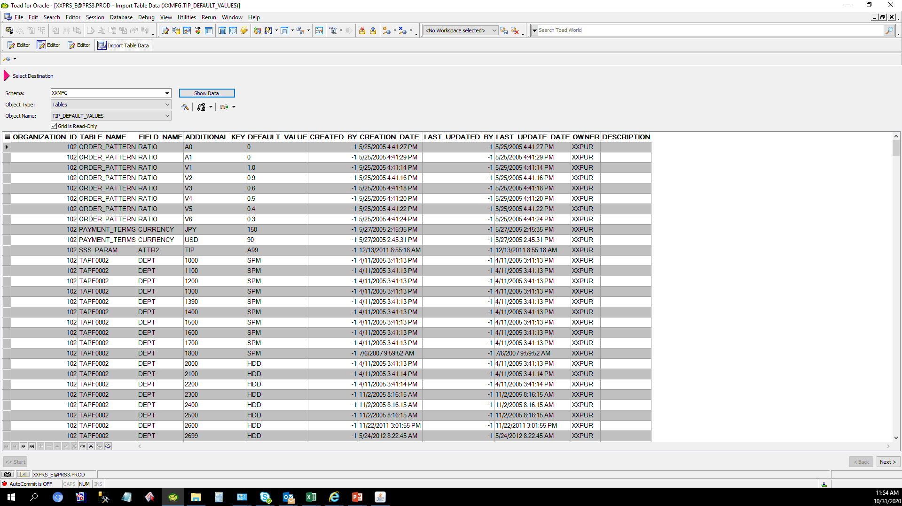
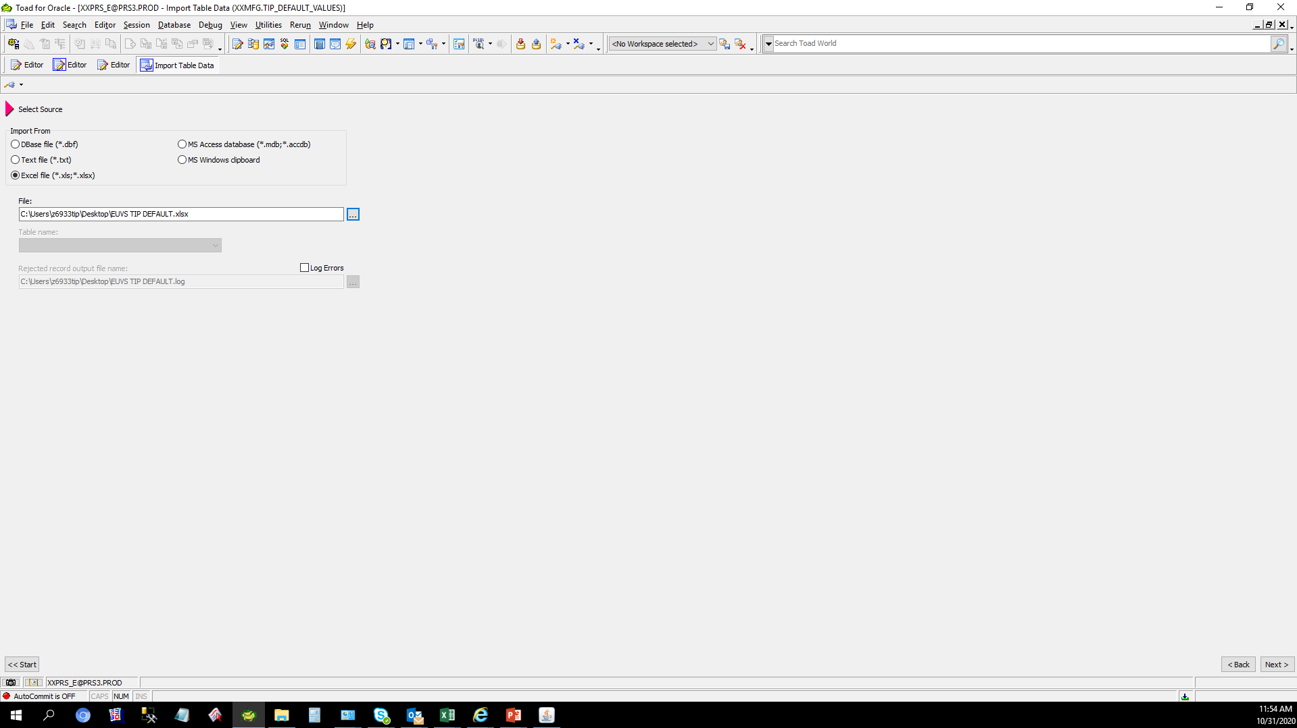

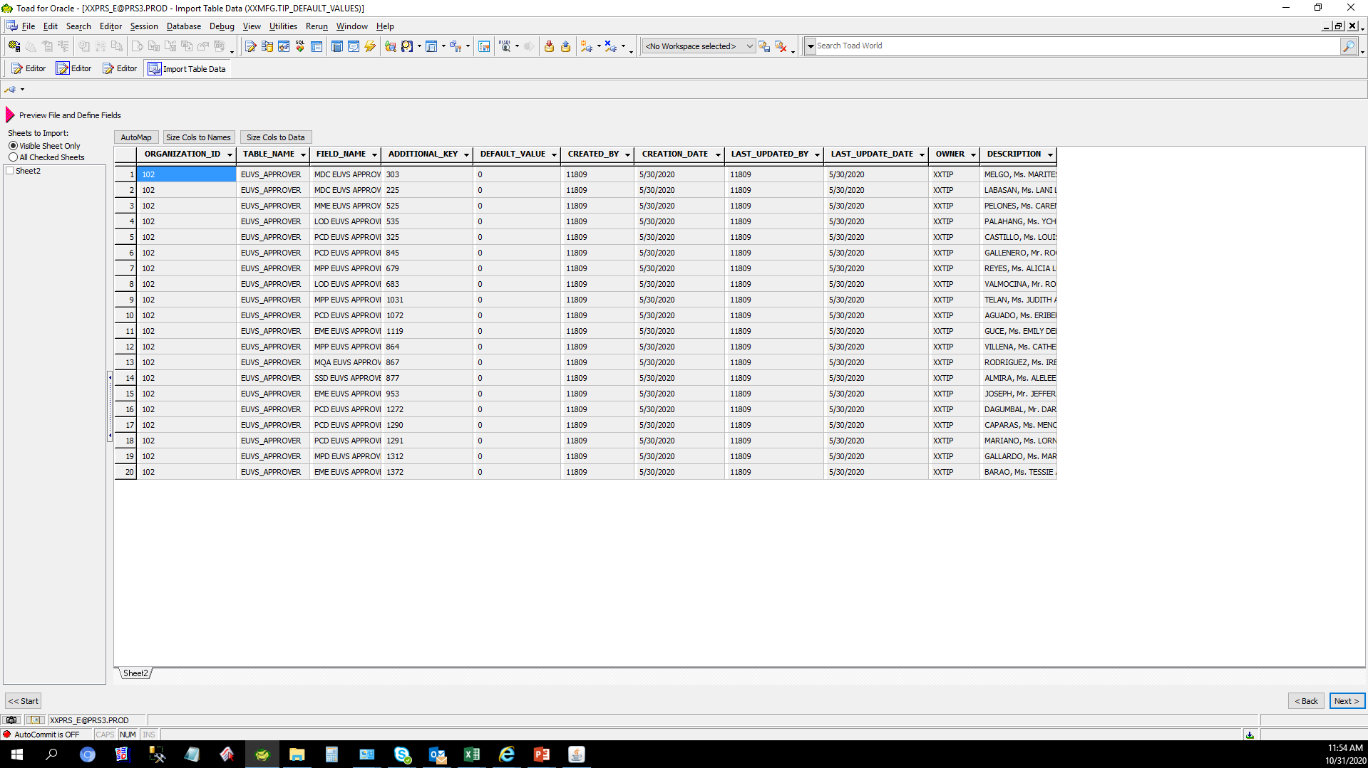
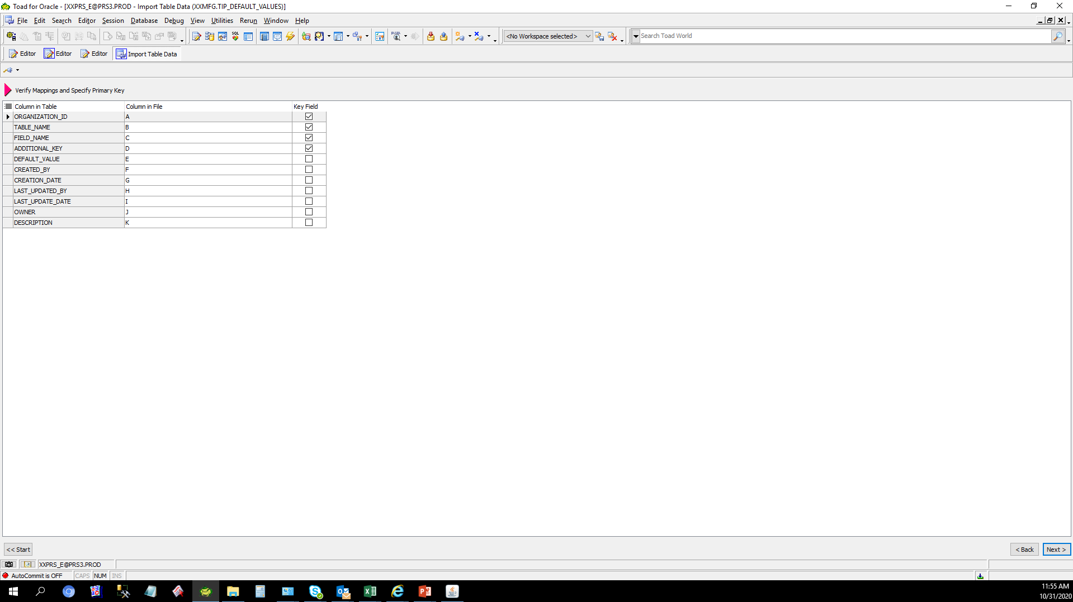
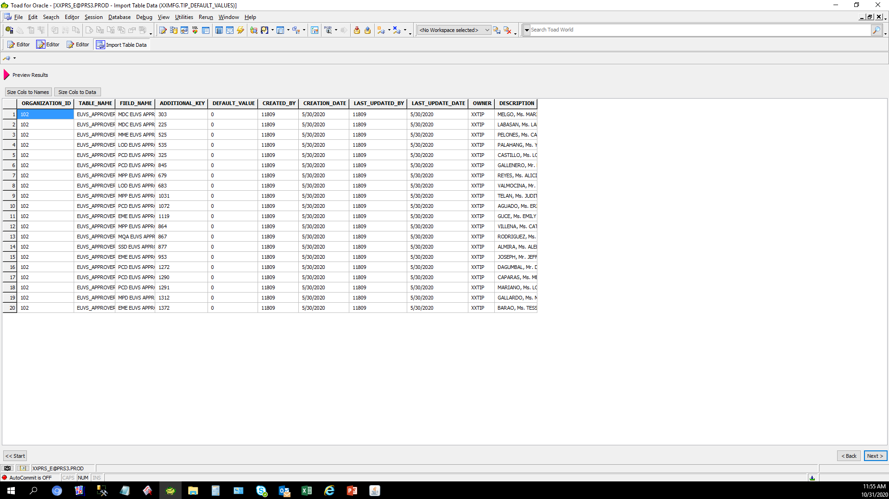
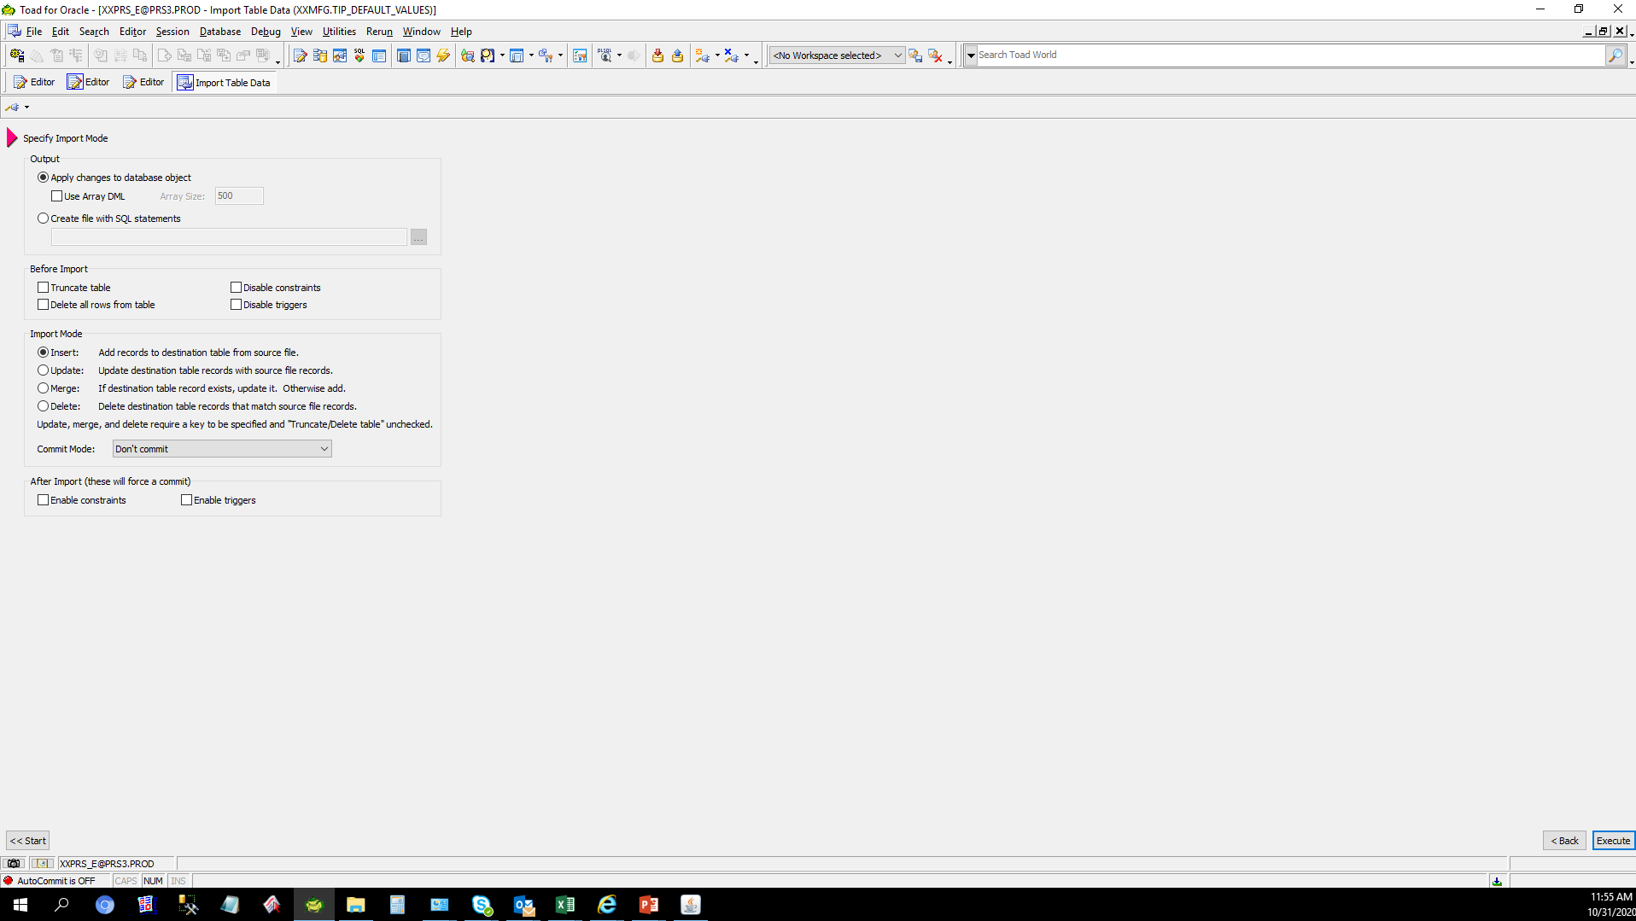
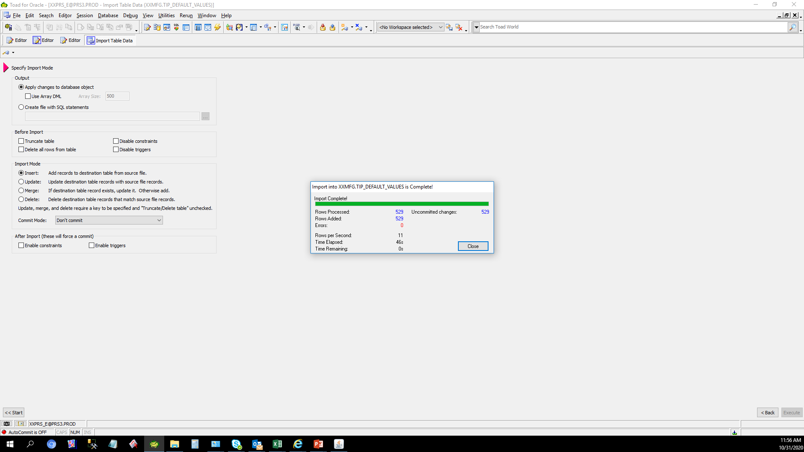
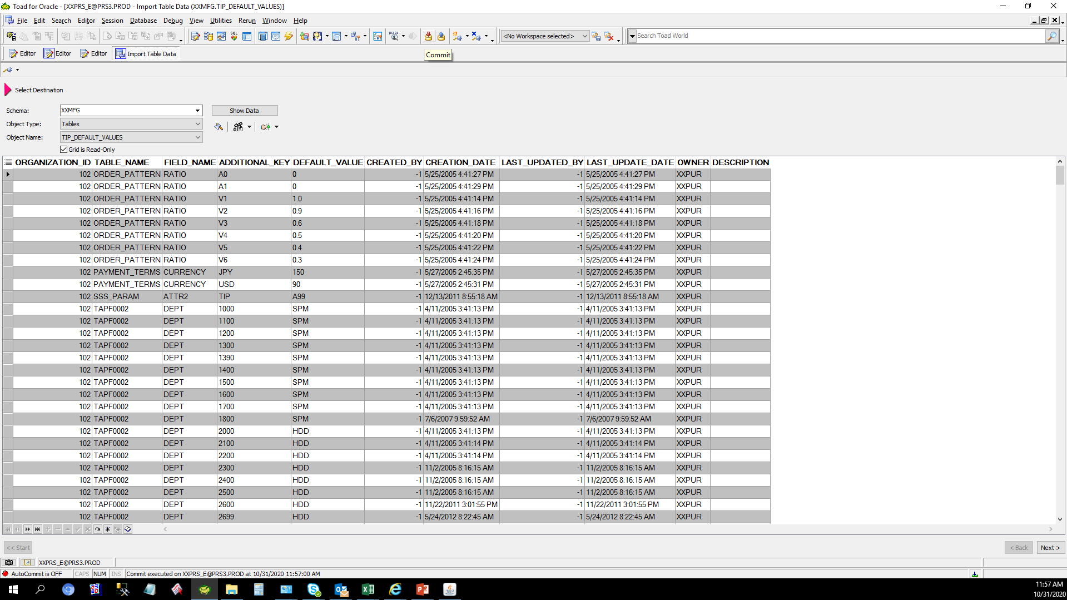
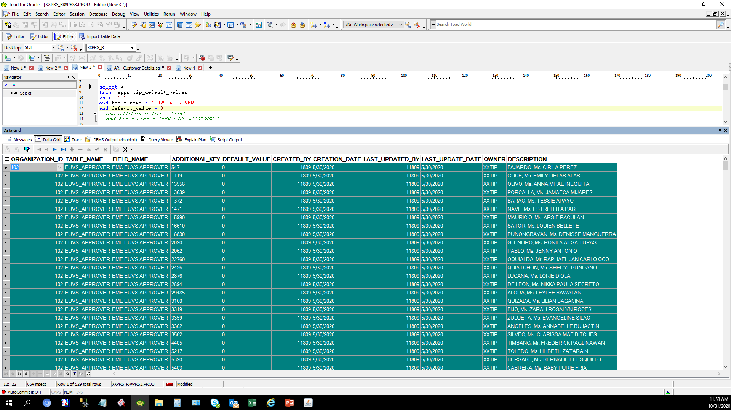
Actual Operation Evidence

